rating revenue
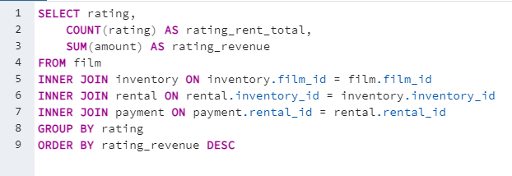
rating | rating_rental_total | rating_revenue
PG-13 | 3245 | 13855.56
NC-17 | 3008 | 12634.92
PG | 2938 | 12236.65
R | 2897 | 12073.03
G | 2508 | 10511.88

language revenue
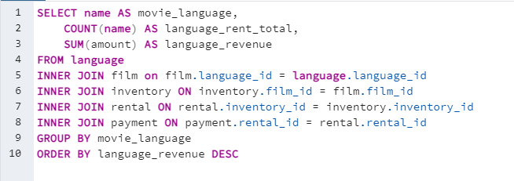
movie_language | language_count | language_revenue
English | 14596 | 61312.04

3.6.1 query
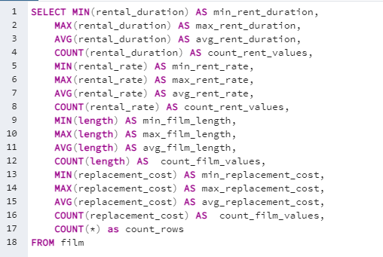
min_rent_duration | max_rent_duration | avg_rent_duration | count_rent_values | min_rent_rate | max_rent_rate | avg_rent_rate | count_rent_values-2 | min_film_length | max_film_length | avg_film_length | min_replacement_cost | max_replacement_cost | avg_replacement_cost | count_film_values | count_rows
3 | 7 | 4.985 | 1000 | 0.99 | 4.99 | 2.98 | 1000 | 46 | 185 | 115.272 | 9.99 | 29.99 | 19.984 | 1000 | 1000

3.6.2 query
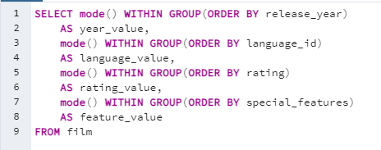
year_value | language_value | rating_value | feature_value
2006 | 1 | PG-13 | {Trailers,Commentaries,"Behind the Scenes"}

3.6.4 query
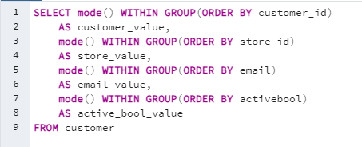
modal_value | modal_value-2 | modal_value-3 | email_value | active_bool_value
1 | 1 | aaron.selby@sakilacustomer.org | aaron.selby@sakilacustomer.org | TRUE

3.7.3 query
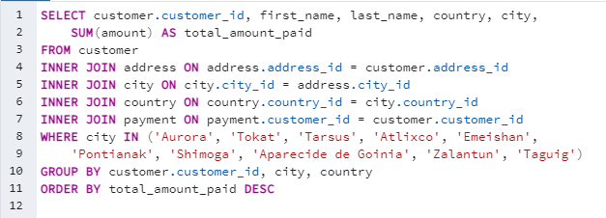
customer_id | first_name | last_name | country | city | total_amount_paid
566 | Casey | Mena | Turkey | Tokat | 130.68
84 | Sara | Perry | Mexico | Atlixco | 128.7
506 | Leslie | Seward | Indonesia | Pontianak | 123.72
389 | Alan | Kahn | China | Emeishan | 119.75
537 | Clinton | Buford | United States | Aurora | 98.76
72 | Theresa | Watson | Philippines | Taguig | 88.73
238 | Nellie | Garrett | India | Shimoga | 86.81
93 | Phyllis | Foster | China | Zalantun | 76.8
164 | Joann | Gardner | Turkey | Tarsus | 64.85
330 | Scott | Shelley | United States | Aurora | 60.82

customer base (country)
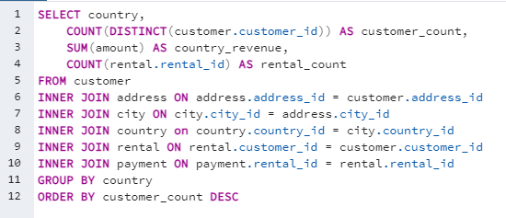
country | customer_count | country_revenue | rental_count
India | 60 | 6032.79 | 1421
China | 53 | 5247.04 | 1296
United States | 36 | 3694.27 | 873
Japan | 31 | 3121.52 | 748
Mexico | 30 | 2984.82 | 718
Brazil | 28 | 2919.19 | 681
Russian Federation | 28 | 2765.62 | 638
Philippines | 20 | 2219.7 | 530
Turkey | 15 | 1498.49 | 351
Indonesia | 14 | 1352.69 | 331
Nigeria | 13 | 1314.92 | 308
Argentina | 13 | 1298.8 | 320
South Africa | 11 | 1069.46 | 254
Taiwan | 10 | 1155.1 | 290
United Kingdom | 9 | 848.97 | 203
Iran | 8 | 877.96 | 204
Poland | 8 | 786.16 | 184
Italy | 7 | 753.26 | 174
Germany | 7 | 741.24 | 176
Venezuela | 7 | 632.43 | 157
Egypt | 6 | 659.48 | 152
Ukraine | 6 | 675.53 | 147
Vietnam | 6 | 676.45 | 155
Colombia | 6 | 661.54 | 146
Spain | 5 | 513.8 | 120
Canada | 5 | 559.7 | 130
Saudi Arabia | 5 | 452.94 | 106
Netherlands | 5 | 557.73 | 127
Pakistan | 5 | 473.84 | 116
South Korea | 5 | 527.77 | 123
Peru | 4 | 407.01 | 99
France | 4 | 334.12 | 88
Yemen | 4 | 473.93 | 107
Israel | 4 | 379.13 | 87
Algeria | 3 | 349.18 | 82
Switzerland | 3 | 248.41 | 59
Tanzania | 3 | 322.22 | 78
United Arab Emirates | 3 | 305.25 | 75
Morocco | 3 | 274.35 | 65
Bangladesh | 3 | 353.19 | 81
Chile | 3 | 303.34 | 66
Thailand | 3 | 401.08 | 92
Malaysia | 3 | 330.23 | 77
Austria | 3 | 284.3 | 70
Paraguay | 3 | 273.4 | 60
Mozambique | 3 | 315.25 | 75
Ecuador | 3 | 369.18 | 82
Dominican Republic | 3 | 304.26 | 74
Sudan | 2 | 202.51 | 49
Bolivia | 2 | 178.56 | 44
Greece | 2 | 204.54 | 46
Belarus | 2 | 271.36 | 64
Bulgaria | 2 | 194.52 | 48
Yugoslavia | 2 | 233.49 | 51
Cambodia | 2 | 179.51 | 49
Cameroon | 2 | 186.49 | 51
Romania | 2 | 218.42 | 58
Puerto Rico | 2 | 224.48 | 52
Kazakstan | 2 | 192.51 | 49
Kenya | 2 | 245.49 | 51
Angola | 2 | 187.55 | 45
Latvia | 2 | 249.43 | 57
Azerbaijan | 2 | 198.53 | 47
Congo, The Democratic Republic of the | 2 | 168.58 | 42
Oman | 2 | 161.56 | 44
Myanmar | 2 | 179.53 | 47
French Polynesia | 2 | 205.52 | 48
Zambia | 1 | 121.7 | 30
American Samoa | 1 | 47.85 | 15
Anguilla | 1 | 99.68 | 32
Armenia | 1 | 118.75 | 25
Bahrain | 1 | 108.76 | 24
Brunei | 1 | 107.66 | 34
Chad | 1 | 122.72 | 28
Czech Republic | 1 | 132.72 | 28
Estonia | 1 | 105.72 | 28
Ethiopia | 1 | 91.77 | 23
Faroe Islands | 1 | 96.76 | 24
Finland | 1 | 78.79 | 21
French Guiana | 1 | 97.8 | 20
Gambia | 1 | 114.73 | 27
Greenland | 1 | 119.72 | 28
Holy See (Vatican City State) | 1 | 146.68 | 32
Hong Kong | 1 | 104.76 | 24
Hungary | 1 | 111.71 | 29
Iraq | 1 | 111.73 | 27
Kuwait | 1 | 106.75 | 25
Liechtenstein | 1 | 99.74 | 26
Lithuania | 1 | 63.78 | 22
Madagascar | 1 | 92.79 | 21
Malawi | 1 | 121.73 | 27
Moldova | 1 | 127.66 | 34
Nauru | 1 | 143.7 | 30
Nepal | 1 | 93.83 | 17
New Zealand | 1 | 85.77 | 23
North Korea | 1 | 107.71 | 29
Runion | 1 | 211.55 | 45
Saint Vincent and the Grenadines | 1 | 64.82 | 18
Senegal | 1 | 95.76 | 24
Slovakia | 1 | 80.77 | 23
Sri Lanka | 1 | 103.73 | 27
Sweden | 1 | 139.67 | 33
Tonga | 1 | 64.84 | 16
Tunisia | 1 | 73.78 | 22
Turkmenistan | 1 | 126.74 | 26
Tuvalu | 1 | 93.78 | 22
Virgin Islands, U.S. | 1 | 121.69 | 31
Afghanistan | 1 | 67.82 | 18

